Sheet1
 |  | Document No. | Issue No. | Issue Date |  | Review and Replace Date |  | Authorised By
 |  | GFF547MC | 1 | 20.11.2025 |  | New doc |  | Magda Shah
 |  | Document Title | 4 VEGETABLE SAMOSAS 160G
 |  |  |  |  |  |  |  | Magda Shah
Document amendments reason for change |  | New Product |  | Page 1 of 1 | Previous Issue Date |  | New doc | Uncontrolled copy unless signed original

CVSAC-R6TTA | TAKUL |  | 4 VEGETABLE SAMOSAS 160G | CHILLED
STEP 1 |  |  |  | STEP 2
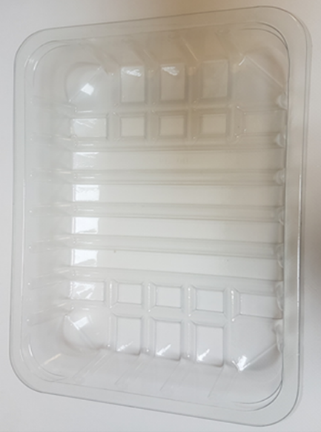 |  |  |  | 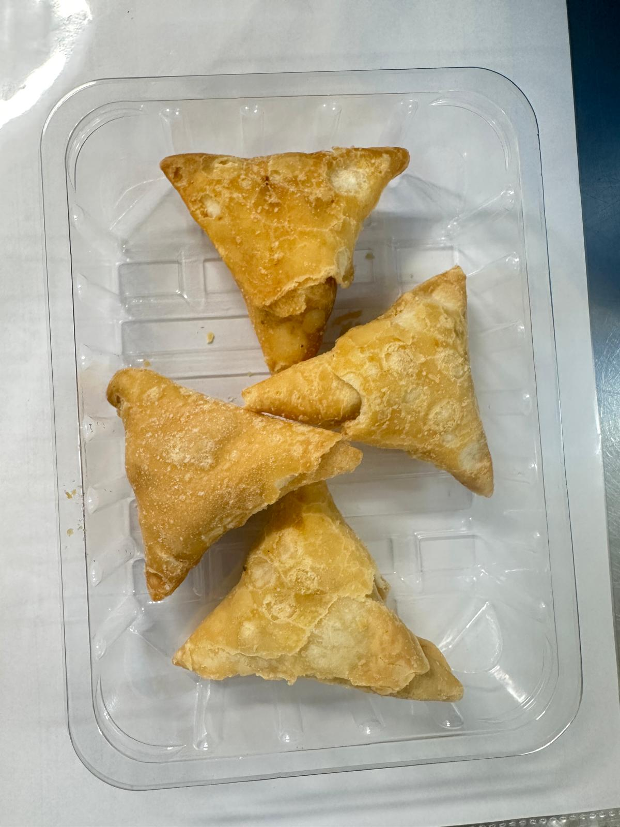

VEG SAMOSA 40G-INDIAN

Tray: SK4-Plain Clear (PKESSOO1-07) |  |  |  | 4 x VEGETABLE SAMOSAS 40g (RMSRI001-03) |  |  |  |  | TOTAL WEIGHT 160g
Film: K-peel 7G+25A/f-275mm (PKKMP001-03)
ALLERGY ALERT: WHEAT

